UCS1001
Cluster | Programme
BCD | ACC | 25 students per group
BCD | ATM | 2x 2 hour class per week (at least one day apart)
BCD | BICT
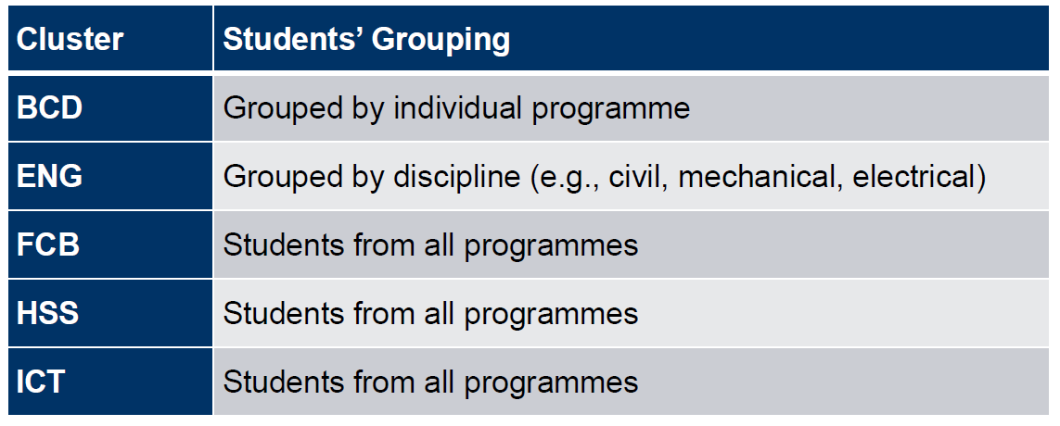
BCD | CDM
BCD | HTM
ENG | ASE
ENG | ESE
ENG | MDME
ENG | MEC
ENG | NAME
ENG | RSE
ENG | SBE
ENG | EPE
FCB | FDT
FCB | TCE
HSS | NUR (Post)
HSS | NUR (Pre)
ICT | AAI
ICT | BAC
ICT | CEG

